Sheet1
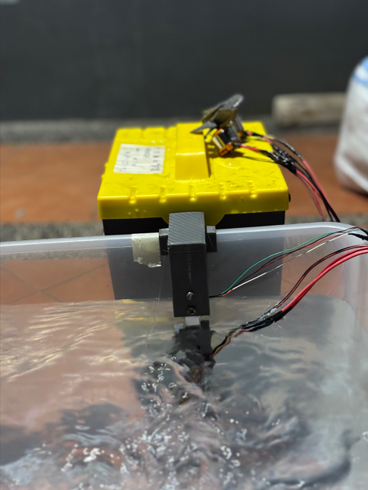
4
2
propeller 4 |  | propeller2 |  | propeller3 |  | propeller1
pow | gr | pow | gr | pow |  | pow
0 | 0 | 0 | 0 | 0 | 0 | 0 | 0
5 | 0 | 5 | 21 | 5 | 0 | 5 | 0
10 | 0 | 10 | 50 | 10 | 0 | 10 | 0
15 | 0 | 15 | 94 | 15 | 0 | 15 | 0
20 | 25 | 20 | 125 | 20 | 25 | 20 | 3
25 | 75 | 25 | 160 | 25 | 60 | 25 | 31
30 | 100 | 30 | 190 | 30 | 125 | 30 | 56
35 | 105 | 35 | 210 | 35 |  | 35 | 62
40 |  | 40 | 250 | 40 |  | 40 | 61
45 |  | 45 | 265 | 45 |  | 45
50 |  | 50 |  | 50 |  | 50

3
1

